Outcomes Based on Goals
Goal | Number of Successful | Number Failed | Number Canceled | Total Projects | Percentage Successful | Percentage Failed | Percentage Cancelled
Less Than 1000 | 322 | 113 | 18 | 453 | 71.1% | 24.9% | 4.0%
1000 to 4999 | 932 | 420 | 60 | 1,412 | 66.0% | 29.7% | 4.2%
5000 to 9999 | 381 | 283 | 52 | 716 | 53.2% | 39.5% | 7.3%
10000 to 14999 | 168 | 144 | 40 | 352 | 47.7% | 40.9% | 11.4%
15000 to 19999 | 94 | 90 | 17 | 201 | 46.8% | 44.8% | 8.5%
20000 to 24999 | 62 | 72 | 14 | 148 | 41.9% | 48.6% | 9.5%
25000 to 29999 | 55 | 64 | 18 | 137 | 40.1% | 46.7% | 13.1%
30000 to 34999 | 32 | 37 | 13 | 82 | 39.0% | 45.1% | 15.9%
35000 to 39999 | 26 | 22 | 7 | 55 | 47.3% | 40.0% | 12.7%
40000 to 44999 | 21 | 16 | 6 | 43 | 48.8% | 37.2% | 14.0%
45000 to 49999 | 6 | 11 | 4 | 21 | 28.6% | 52.4% | 19.0%
50000 or More | 86 | 258 | 100 | 444 | 19.4% | 58.1% | 22.5%

Outcomes Based on Goal

Theater Outcomes by Launch Date
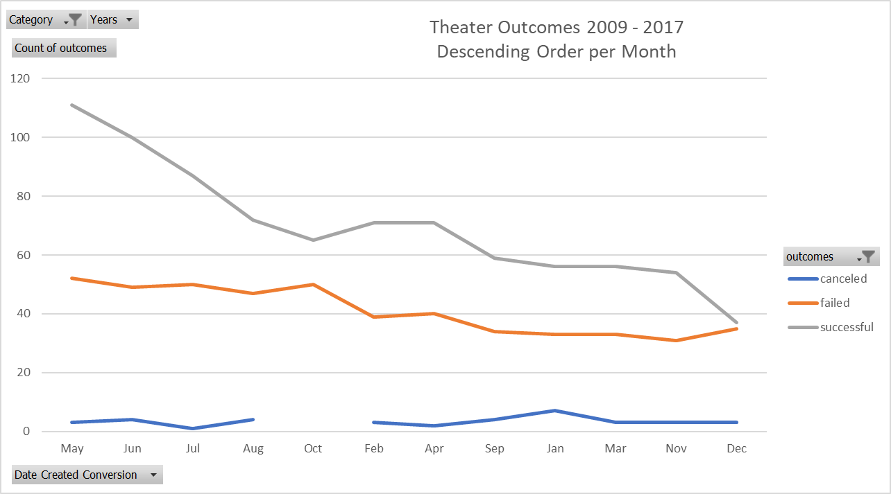
Category | theater
Years | (All)

Count of outcomes | Column Labels
Row Labels | canceled | failed | successful | Grand Total
Jan | 7 | 33 | 56 | 96 | 96 | 7.0%
Feb | 3 | 39 | 71 | 113 | 113 | 8.3%
Mar | 3 | 33 | 56 | 92 | 92 | 6.7%
Apr | 2 | 40 | 71 | 113 | 113 | 8.3%
May | 3 | 52 | 111 | 166 | 166 | 12.1%
Jun | 4 | 49 | 100 | 153 | 153 | 11.2%
Jul | 1 | 50 | 87 | 138 | 138 | 10.1%
Aug | 4 | 47 | 72 | 123 | 123 | 9.0%
Sep | 4 | 34 | 59 | 97 | 97 | 7.1%
Oct |  | 50 | 65 | 115 | 115 | 8.4%
Nov | 3 | 31 | 54 | 88 | 88 | 6.4%
Dec | 3 | 35 | 37 | 75 | 75 | 5.5%
Grand Total | 37 | 493 | 839 | 1369 | 1369

Theater Outcomes 2009 - 2017 Descending Order per Month
 | canceled | failed | successful
Jan | 7 | 33 | 56
Feb | 3 | 39 | 71
Mar | 3 | 33 | 56
Apr | 2 | 40 | 71
May | 3 | 52 | 111
Jun | 4 | 49 | 100
Jul | 1 | 50 | 87
Aug | 4 | 47 | 72
Sep | 4 | 34 | 59
Oct |  | 50 | 65
Nov | 3 | 31 | 54
Dec | 3 | 35 | 37

Category Statistics
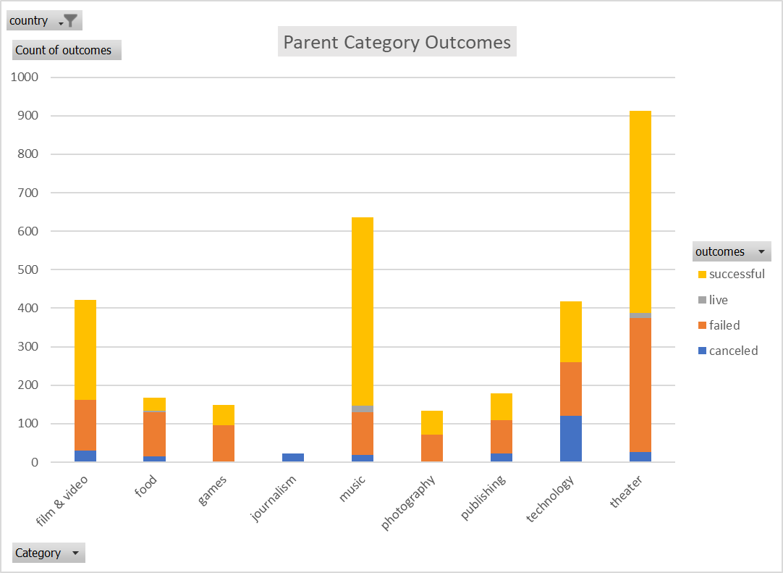
country | US
Parent Category Outcomes
Count of outcomes | Column Labels
Row Labels | canceled | failed | live | successful | Grand Total
theater | 26 | 349 | 12 | 525 | 912
Grand Total | 26 | 349 | 12 | 525 | 912

Subcategory Statistics
country | GB
Category | (All)

Count of outcomes | Column Labels
Row Labels | failed | live | successful | Grand Total
plays | 70 | 6 | 238 | 314
Grand Total | 70 | 6 | 238 | 314

Outcomes Based on Launch Date
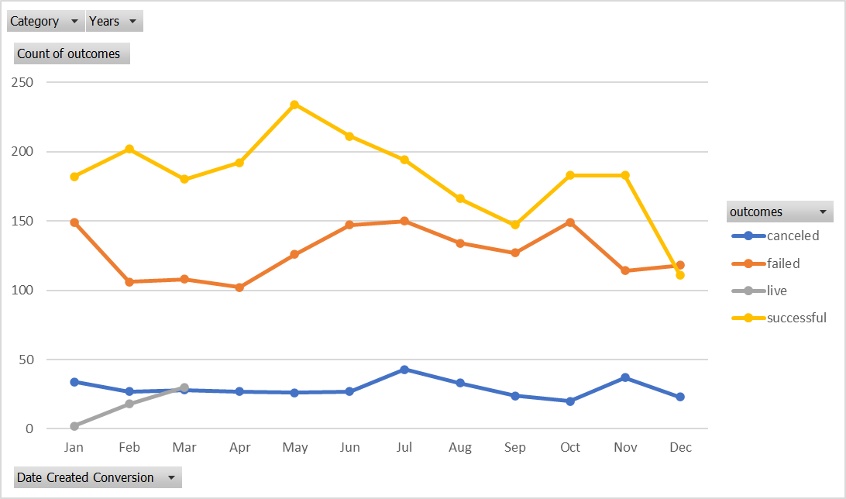
Category | theater
Years | (All)

 | canceled | failed | live | successful
Jan | 7 | 33 | 2 | 56
Feb | 3 | 39 | 8 | 71
Mar | 3 | 33 | 14 | 56
Apr | 2 | 40 |  | 71
May | 3 | 52 |  | 111
Jun | 4 | 49 |  | 100
Jul | 1 | 50 |  | 87
Aug | 4 | 47 |  | 72
Sep | 4 | 34 |  | 59
Oct |  | 50 |  | 65
Nov | 3 | 31 |  | 54
Dec | 3 | 35 |  | 37
Count of outcomes | Column Labels
Row Labels | canceled | failed | live | successful | Grand Total
Jan | 7 | 33 | 2 | 56 | 98
Feb | 3 | 39 | 8 | 71 | 121
Mar | 3 | 33 | 14 | 56 | 106
Apr | 2 | 40 |  | 71 | 113
May | 3 | 52 |  | 111 | 166
Jun | 4 | 49 |  | 100 | 153
Jul | 1 | 50 |  | 87 | 138
Aug | 4 | 47 |  | 72 | 123
Sep | 4 | 34 |  | 59 | 97
Oct |  | 50 |  | 65 | 115
Nov | 3 | 31 |  | 54 | 88
Dec | 3 | 35 |  | 37 | 75
Grand Total | 37 | 493 | 24 | 839 | 1393

